Q3
No of Restaurant Based on Country & Cities
Row Labels | Count of RestaurantID
India | 8652
United States | 434
United Kingdom | 80
Brazil | 60
South Africa | 60
UAE | 60
New Zealand | 40
Turkey | 34
Australia | 24
Phillipines | 22
Indonesia | 21
Sri Lanka | 20
Singapore | 20
Qatar | 20
Canada | 4
Grand Total | 9551

Q4
Numbers of Restaurants over time
Row Labels | Count of RestaurantID
2010 | 1080
2011 | 1098
2012 | 1022
2013 | 1061
2014 | 1051
2015 | 1024
2016 | 1027
2017 | 1086
2018 | 1102
Grand Total | 9551

Q5
Restaurant Count by Rating Range
Row Labels | Count of RestaurantID
1 | 2151
2 | 1430
3 | 4590
4 | 1380
Grand Total | 9551

Q6
Restaurant by Price Range
Row Labels | Count of RestaurantID
0-500 | 5174
500-1500 | 3603
1500+ | 774
Grand Total | 9551

Q7
Percentage of Restaurants with Table Booking
Row Labels | Count of RestaurantID
Yes | 12.12%
No | 87.88%
Grand Total | 100.00%

Q8
Percentage of Restaurants with Online Delivery
Row Labels | Count of RestaurantID
No | 74.34%
Yes | 25.66%
Grand Total | 100.00%

Q9 1
Row Labels | Count of RestaurantID
North Indian | 26.58%
North Indian, Chinese | 14.51%
Top 10 Cuisines Percentage of restaurants
Chinese | 10.05%
Fast Food | 10.05%
North Indian, Mughlai | 9.48%
Cafe | 8.49%
Bakery | 6.19%
North Indian, Mughlai, Chinese | 5.59%
Bakery, Desserts | 4.83%
Street Food | 4.23%
Grand Total | 100.00%

Q9 2
Row Labels | Count of RestaurantID
New Delhi | 5473
Gurgaon | 1118
Top 10 Cities by Restaurant Count
Noida | 1080
Faridabad | 251
Ghaziabad | 25
Amritsar | 21
Bhubaneshwar | 21
Ahmedabad | 21
Guwahati | 21
Lucknow | 21
Grand Total | 8052

Q9 3
Top 10 Ratings by Cuisines
Row Labels | Count of Rating Bucket
North Indian | 936
North Indian, Chinese | 511
Chinese | 354
Fast Food | 354
North Indian, Mughlai | 334
Cafe | 299
Bakery | 218
North Indian, Mughlai, Chinese | 197
Bakery, Desserts | 170
Street Food | 149
Grand Total | 3522

Dashboard
Zomato Analysis
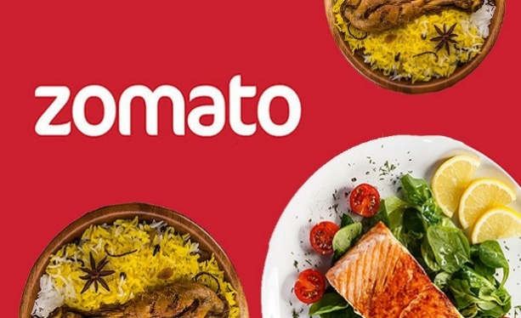

Total Resturants
9551
Average Ratings
2.89
% Restaurants with Online Delivery
12%
% Restaurants with Table Booking
26%

No of Restaurant Based on Country & Cities
 | Total
India | 8652
United States | 434
United Kingdom | 80
Brazil | 60
South Africa | 60
UAE | 60
New Zealand | 40
Turkey | 34
Australia | 24
Phillipines | 22
Indonesia | 21
Sri Lanka | 20
Singapore | 20
Qatar | 20
Canada | 4
Top 10 Cuisines Percentage of restaurants
 | Total
North Indian | 26.58%
North Indian, Chinese | 14.51%
Chinese | 10.05%
Fast Food | 10.05%
North Indian, Mughlai | 9.48%
Cafe | 8.49%
Bakery | 6.19%
North Indian, Mughlai, Chinese | 5.59%
Bakery, Desserts | 4.83%
Street Food | 4.23%
Numbers of Restaurants over time
 | Total
2010 | 1080
2011 | 1098
2012 | 1022
2013 | 1061
2014 | 1051
2015 | 1024
2016 | 1027
2017 | 1086
2018 | 1102

Restaurant Count by Rating Range
 | Total
1 | 2151
2 | 1430
3 | 4590
4 | 1380
Restaurant by Price Range
 | Total
0-500 | 5174
500-1500 | 3603
1500+ | 774
Percentage of Restaurants with Online Delivery
 | Total
No | 74.34%
Yes | 25.66%

